Help
How to use the STAR excel tool

 | CAUTION: The tool is compatible with Excel 2010 and all newer versions. Some of the functionalities will be lost if you open it with older versions (Excel 97 to Excel 2007). Please ensure during the workshop that the computers used during the workshop (including during the break-out sessions) have Excel 2010 or any more recent version of excel. To do so, select the full row by doing a right-click on the row number. A contextual menu will then appear in which you can select to insert a new row or delete the selected row.

During the STAR workshop, all information should be captured directly in the "input table" worksheet and be projected on a large screen.

Step 1: Hazard and Exposure
A. | Hazards
 | List all existing or emerging hazards with the potential to cause a public health emergency. Align these with agreed subtype level in Annex 1 of the STAR facilitator guide (see tables below).
 | Then, for the next steps, address each hazard, one at a time, horizontally across each variable until you obtain the likelihood level for each hazard.
 | TIP: you can insert or delete lines in the table if needed. To do so, select the full row by doing a right-click on the row number. A contextual menu will then appear in which you can select to insert a new row or delete the selected row.

B. Identify possible negative health consequences

For each hazard, identify the possible negative health consequences for the populations at risk.

For example, for a flood hazard, the negative health consequences may include:
- Immediate consequences: drowning, injuries, animal bites, environmental hazards, trauma, etc.
- Secondary consequences: water borne diseases, vector borne diseases, mental illness, disrupted health services, etc.

For example, for infectious respiratory hazard, the negative health consequences may include:
- Immediate consequences: upper respiratory tract infections, severe acute respiratory syndrome, hospital surge etc.
- Secondary consequences: complications of underlying morbidities, disruption of routine health services etc.

C. Define the scale

Describe the most likely scenario that would require the activation of a national response.
- Describe the type and extent of hazard.
- Identify geographical areas that are likely to be affected by the health consequences identified above.
- Describe the population settings (e.g. rural, urban, concentrated/closed, dispersed/open setting)

D. | Assess exposure

Evaluate the potential exposures of individuals and populations to the hazards identified at the scale identified by:

- Estimating the number of people likely to be exposed to the initial hazard (i.e. the “population at risk”);
- If the hazard is a communicable disease, estimating the number of exposed people who are capable of getting the disease because they not immune (i.e. the “susceptible population”).

Step 2: Likelihood

A. Frequency

For each hazard define whether the hazard frequency is:

 | Frequency
 | Perennial | Regular or seasonal events during the year.
 | Recurrent | Events occurring every 1-2 years.
 | Frequent | Events occurring every 2-5 years.
 | Rare | Events occurring every 5-10 years.
 | Random | Unpredictable events for which the frequency cannot be determined.

B. Seasonality

For each hazard, and as appropriate, identify the months of the year during which the is most likely to occur. For instance, for a hazard that may occur every year between March and July with a peak every May, this would be filled in as:

C. Determination of Likelihood

Take into account the historical information on the hazard, the recent trends in the country or in the sub-region, the frequency and the seasonality of each hazard to define the likelihood the hazard will occur in the next 12 months at the scale defined in Step 1.

Likelihood
1 | Very unlikely
2 | Unlikely
3 | Likely
4 | Very likely
5 | Almost certain

Step 3: Severity and Coping Capacity

As for Step 2, the following assessments should by undertaken hazard by hazard.

A. Severity analysis

When conducting the severity assessment for biological hazards of an infectious nature, the following information may be required:
- Seriousness of consequences (morbidity and mortality)
- Transmission potential (mode of transmission or R0)

When conducting the severity assessment for geological, hydrometeorological, technological and societal hazards, the following information will be required:
- Seriousness of consequences (morbidity and mortality)
- Prolonged disruption to routine health services.

 | Severity
1 | Very low severity
2 | Low severity
3 | Moderate severity
4 | High severity
5 | Very high severity

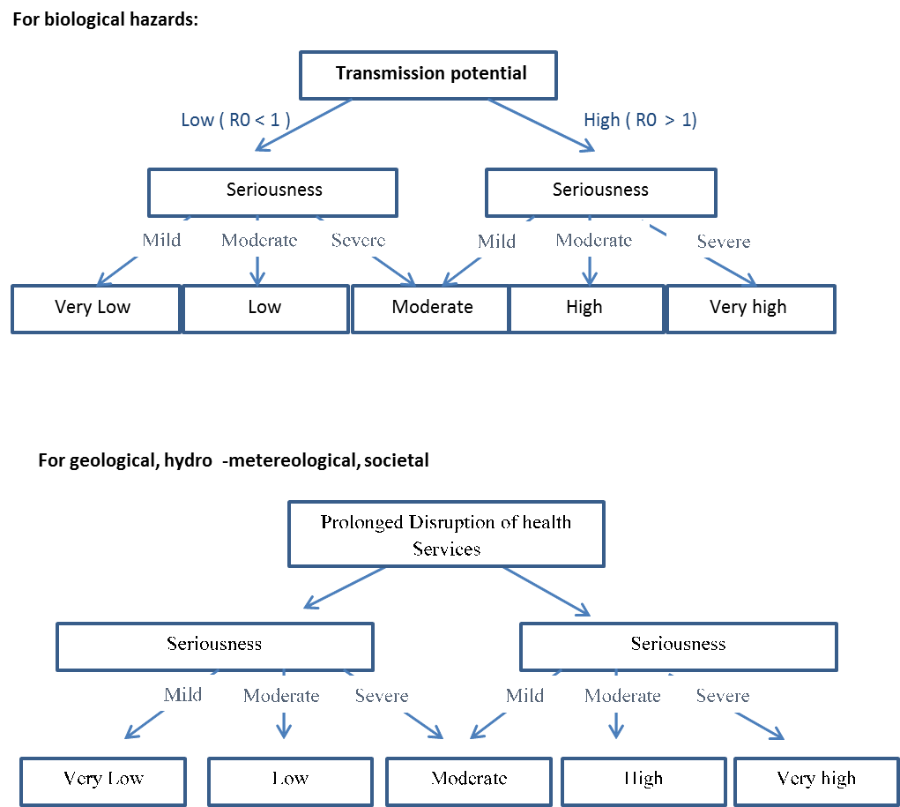

B. Vulnerability analysis

Vulnerability refers to the characteristics and circumstances of a community, system or asset that make it susceptible to the damaging effects of a hazard. In this regard the vulnerability to a given hazard should take into account the following parameters:
- Access to health services in potentially affected areas;
- The health status of the populations at risk based on health service coverage, population immunity, disease burden etc.;
- Social determinants of health such as access to good housing, water, sanitation, education and food security.
- Presence of vulnerable groups in affected areas.

Using information on the parameters above, describe briefly the vulnerabilities in the "vulnerabilities and capacities" worksheet and use the following scale for rating existing vulnerabilities to the hazard and consequences:

 | Vulnerability
5 | Very high
4 | High
3 | Partial
2 | Low
1 | Very low

C. Hazard-specific coping capacity

Coping capacity measures the means by which people or organizations use available resources and abilities to face adverse consequences. The coping capacity associated with a hazard will be determined by:
- The capacity of the health sector to detect, identify, and respond to the hazard and its health consequences at the given scale;
- The functional capacity of health facilities to manage expected caseloads in potentially affected areas;
- The existence of community knowledge about the hazard, and risk minimising attitudes and practice.

Using information on the parameters above, describe briefly the capacities in the "vulnerabilities and capacities" worksheet and use the following scale for rating coping capacity available for the hazard and consequences identified:

 | Coping capacity
1 | Very high
2 | High
3 | Partial
4 | Low
5 | Very low

D. Confidence levels
Uncertainty in the quality of data will exist, and though it should not prevent decision-making for the purposes of emergency planning, information gaps should be recognised and registered by the participants. By scoring the confidence level for each hazard, users can identify where further data is needed so that the confidence level can be improved at the next STAR assessment.

Confidence levels
 | Good | good quality evidence, multiple reliable sources, verified, expert opinion concurs, experience of previous similar incidents
 | Satisfactory | adequate quality evidence; reliable source(s); assumptions made on analogy; and agreement between experts
 | Unsatisfactory | Little poor quality evidence, uncertainty/ conflicting views amongst experts, no experience with previous similar incidents

E. Determination of Impact

The model will determine impact automatically using the following scale based on a aggregation of the scores given for severity, vulnerability and coping capacity. This score is then translated to a scale of 1 – 5 according to the Impact matrix below.

 | Impact
1 | Negligible
2 | Minor | where impact = | rounded value of | { | ( |  | 1 | X | Severity | ) | / | 3 | }
3 | Moderate |  |  |  |  | + | 1 | X | Vulnerability
4 | Severe |  |  |  |  | + | 1 | X | Coping capacity
5 | Critical

Step 4: Hazard Ranking

A. Determination of Risk Level and Ranking

The model will determine the level of risk carried by each hazard automatically using the following scale:
 | Risk level | Risk = Likelihood X impact
1 | Very low | from | 1 | to | 3
2 | Low | from | 4 | to | 6
3 | Moderate | from | 7 | to | 11
4 | High | from | 12 | to | 16
5 | Very high | from | 17 | to | 25

The matrix in the "Risks Matrix" worksheet will be generated automatically and will offer a visual and simple overview of the results of the exercise, clearly illustrating the priority hazards for preparedness and risk reduction activities. The legend for the matrix can be found in the "Risks Summary" worksheet. The sheet also shows the hazards for which priority action should be directed. This is in the form of a table which indicates the level of preparedness required for each hazard:

 | Risk level | Minimum preparedness |  | Additional preparedness |  |  |  |  | Operational response capacity and risk mitigation measures
1 | Very low | 1
2 | Low | 1
3 | Moderate | 1 |  | 1
4 | High | 1 |  | 1 |  |  |  |  | 1
5 | Very high | 1 |  | 1 |  |  |  |  | 1

 | TIP: The table in the "Risk Summary" worksheet will NOT be automatically updated. It is a pivot table that needs to be "refreshed" after changes have been made into your risk assessment. To do so: (1) Put your cursor anywhere in the table, (2) do a right-click, (3) Select "refresh" in the menu which appears near your cursor.

